Sheet1
Assignment - 2

Measure of central tendency

1 . Business Problem: A retail store wants to analyze the sales data of a particularproduct category to understand the typical sales performance and make strategicdecisions.
Histogram
Data: Let's consider the weekly sales data (in units) for the past month for a specific productcategory:

 | DATA: | UNITS
 | Week 1 | 50 | UNITS |  | MEAN | 58.75
 | Week 2 | 60 | UNITS |  | MEDIAN | 57.5
 | Week 3 | 55 | UNITS |  | MODE | #N/A
Histogram
 | Week 4 | 70 | UNITS

2. Business Problem: A restaurant wants to analyze the waiting times of itscustomers to understand the typical waiting experience and improve serviceefficiency.

Data: Let's consider the waiting times (in minutes) for the past 20 customers:

 | 15 | 10 | 10 | 15 |  |  | MEAN | 17
 | 10 | 20 | 25 | 10 |  |  | MEDIAN | 15
 | 20 | 30 | 15 | 10 |  |  | MODE | 10
 | 25 | 15 | 20 | 20
 | 15 | 10 | 20 | 25

3. Business Problem: A car rental company wants to analyze the rental durations ofits customers to understand the typical rental period and optimize its pricing andfleet management strategies.

Data: Let's consider the rental durations (in days) for a sample of 50 customers:

 | 3 | 2 | 4 | 4 | 6 | 2 | 7 | 1 | 5 | 6 |  |  | MEAN | 3.44
 | 2 | 3 | 2 | 2 | 3 | 4 | 2 | 6 | 3 | 3 |  |  | MEDIAN | 3
 | 5 | 3 | 3 | 1 | 2 | 5 | 3 | 2 | 2 | 2 |  |  | M0DE | 2
 | 4 | 1 | 5 | 3 | 1 | 3 | 4 | 4 | 4 | 4
 | 7 | 6 | 2 | 5 | 4 | 2 | 5 | 3 | 2 | 5

Measure of diesprsion
 |  |  |  |  |  |  |  | QUE -1

1. Problem: A manufacturing company wants to analyze the production output of aspecific machine to understand the variability or spread in its performance.

Data:Let's consider the number of units produced per hour by the machine for a sample of 10 working days:

 | Day 1 | 120 | units
 | Day 2 | 110 | units |  | max | 140
 | Day 3 | 130 | units |  | min | 105
 | Day 4 | 115 | units
 | Day 5 | 125 | units
 | Day 6 | 105 | units |  | RANGE | 35
 | Day 7 | 135 | units |  | VARIANCE | 123.33333333
 | Day 8 | 115 | units |  | Standard Deviation | 11.105554166
 | Day 9 | 125 | units
 | Day 10 | 140 | units

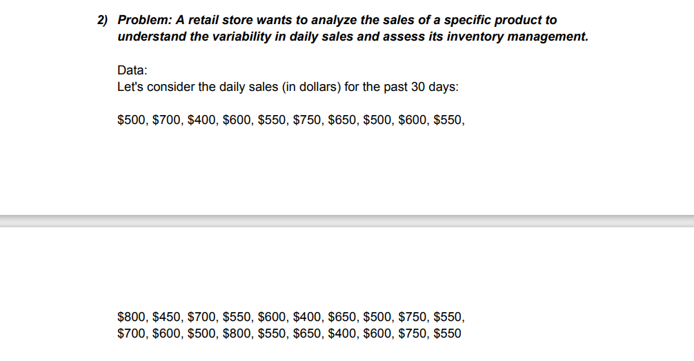
 |  |  |  |  |  |  |  |  | QUE-2

 |  |  |  |  |  |  |  | DAILY SALES (DOLLARS)
 |  |  |  |  |  |  |  |  |  |  |  |  | MAX | 800
 |  |  |  |  |  |  |  | 500 | 800 | 700 |  |  | MIN | 400
 |  |  |  |  |  |  |  | 700 | 450 | 600
 |  |  |  |  |  |  |  | 400 | 700 | 500
 |  |  |  |  |  |  |  | 600 | 550 | 800 |  |  | RANGE | 400
 |  |  |  |  |  |  |  | 550 | 600 | 550 |  |  | VARIANCE | 12841.954023
 |  |  |  |  |  |  |  | 750 | 400 | 650 |  |  | STANDARD DEVIATION | 113.32234565
 |  |  |  |  |  |  |  | 650 | 650 | 400
 |  |  |  |  |  |  |  | 600 | 500 | 600
 |  |  |  |  |  |  |  | 600 | 750 | 750
 |  |  |  |  |  |  |  | 550 | 550 | 550

 |  |  |  |  |  |  |  |  | QUE-3
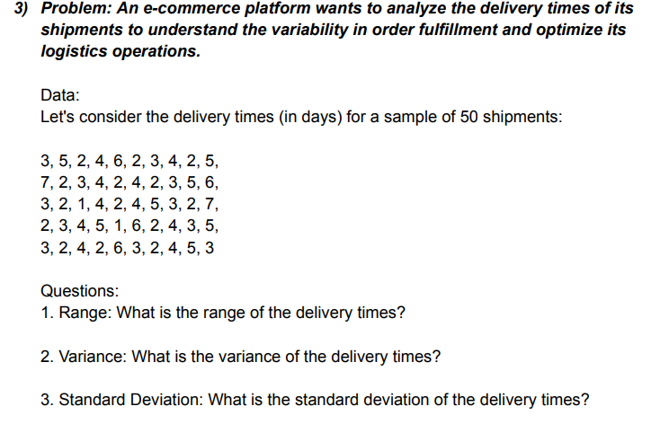
 |  |  |  |  |  |  |  | DELIVERY TIME (DAYS)

 |  |  |  |  |  |  |  | 3 | 7 | 3 | 2 | 3 | MAX | 7
 |  |  |  |  |  |  |  | 5 | 2 | 2 | 3 | 2 | MIN | 1
 |  |  |  |  |  |  |  | 2 | 3 | 1 | 4 | 4
 |  |  |  |  |  |  |  | 4 | 4 | 4 | 5 | 2
 |  |  |  |  |  |  |  | 6 | 2 | 2 | 1 | 6 | RANGE | 6
 |  |  |  |  |  |  |  | 2 | 4 | 4 | 6 | 3 | VARIANCE | 2.3363265306
 |  |  |  |  |  |  |  | 3 | 2 | 5 | 2 | 2 | STANDARD DEVIATION | 1.5285046714
 |  |  |  |  |  |  |  | 4 | 3 | 3 | 4 | 4
 |  |  |  |  |  |  |  | 2 | 5 | 2 | 3 | 5
 |  |  |  |  |  |  |  | 5 | 6 | 7 | 5 | 3

 |  |  |  |  |  |  |  |  | QUE -4
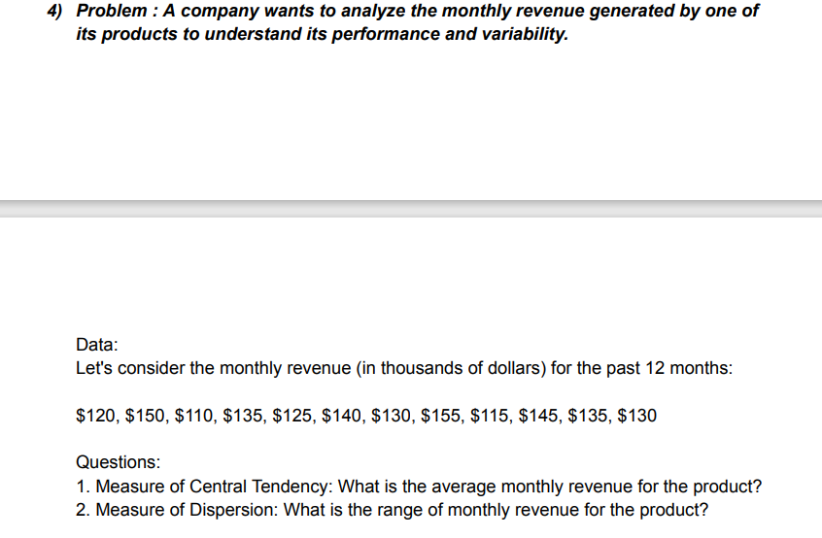

 |  |  |  |  |  |  |  |  | MONTHLY REVENUE
 |  |  |  |  |  |  |  |  | (DOLLARS)
 |  |  |  |  |  |  |  |  | 120 |  |  |  | MAX | 155
 |  |  |  |  |  |  |  |  | 150 |  |  |  | MIN | 110
 |  |  |  |  |  |  |  |  | 110
 |  |  |  |  |  |  |  |  | 135
 |  |  |  |  |  |  |  |  | 125
 |  |  |  |  |  |  |  |  | 140 |  |  |  | MEAN(AVERAGE) | 132.5
 |  |  |  |  |  |  |  |  | 130 |  |  |  | RANGE | 45
 |  |  |  |  |  |  |  |  | 155
 |  |  |  |  |  |  |  |  | 115
 |  |  |  |  |  |  |  |  | 145
 |  |  |  |  |  |  |  |  | 135
 |  |  |  |  |  |  |  |  | 130

 |  |  |  |  |  |  |  |  | QUE -5
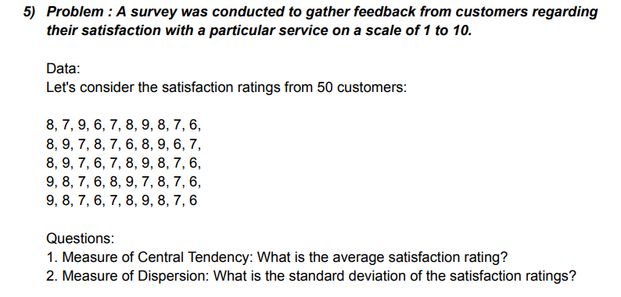
 |  |  |  |  |  |  |  | RATING CUSTOMERS

Histogram
 |  |  |  |  |  |  |  | 8 | 8 | 8 | 9 | 9
 |  |  |  |  |  |  |  | 7 | 9 | 9 | 8 | 8 | Mean(average) | 7.5
 |  |  |  |  |  |  |  | 9 | 7 | 6 | 7 | 7 | Standard Deviation | 1.035098339
 |  |  |  |  |  |  |  | 6 | 8 | 7 | 6 | 6
 |  |  |  |  |  |  |  | 7 | 7 | 7 | 8 | 7
 |  |  |  |  |  |  |  | 8 | 6 | 8 | 9 | 8
 |  |  |  |  |  |  |  | 9 | 8 | 9 | 7 | 9
 |  |  |  |  |  |  |  | 8 | 9 | 8 | 8 | 8
 |  |  |  |  |  |  |  | 7 | 6 | 7 | 7 | 7
 |  |  |  |  |  |  |  | 6 | 7 | 6 | 6 | 6

 |  |  |  |  |  |  |  |  | QUE -6

 |  |  |  |  |  |  |  | DATA:
 |  |  |  |  |  |  |  | Customer wait times

 |  |  |  |  |  |  |  | 10 | 9 | 13 | 15 | 25 | 14 | 16 | 15 | 15 | 17
 |  |  |  |  |  |  |  | 15 | 17 | 10 | 20 | 18 | 16 | 14 | 16 | 13 | 14
 |  |  |  |  |  |  |  | 12 | 11 | 18 | 26 | 16 | 23 | 18 | 13 | 16 | 12
 |  |  |  |  |  |  |  | 18 | 13 | 16 | 13 | 13 | 18 | 20 | 14 | 14 | 20
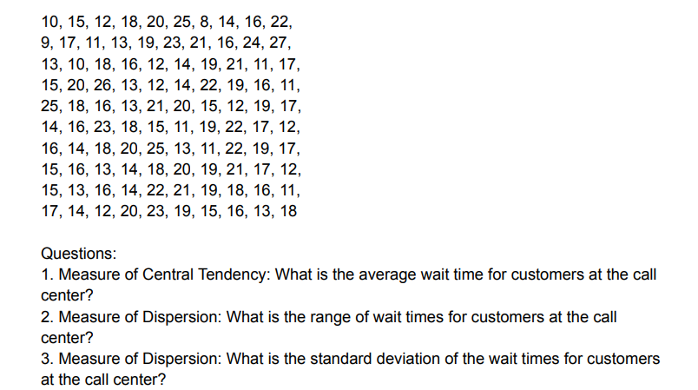
 |  |  |  |  |  |  |  | 20 | 19 | 12 | 12 | 21 | 15 | 25 | 18 | 22 | 23
 |  |  |  |  |  |  |  | 25 | 23 | 14 | 14 | 20 | 11 | 13 | 20 | 21 | 19
 |  |  |  |  |  |  |  | 8 | 21 | 19 | 22 | 15 | 19 | 11 | 19 | 19 | 15
 |  |  |  |  |  |  |  | 14 | 16 | 21 | 19 | 12 | 22 | 22 | 21 | 18 | 16
 |  |  |  |  |  |  |  | 16 | 24 | 11 | 16 | 19 | 17 | 19 | 17 | 16 | 13
 |  |  |  |  |  |  |  | 22 | 27 | 17 | 11 | 17 | 12 | 17 | 12 | 11 | 18

 |  |  |  |  |  |  |  |  | MAX | 27 |  |  | MEAN(average) | 16.74
 |  |  |  |  |  |  |  |  | MIN | 8 |  |  | RANGE | 19
 |  |  |  |  |  |  |  |  |  |  |  |  | STANDARD DEVIATION | 4.1429506881

 |  |  |  |  |  |  |  |  | QUE- 7

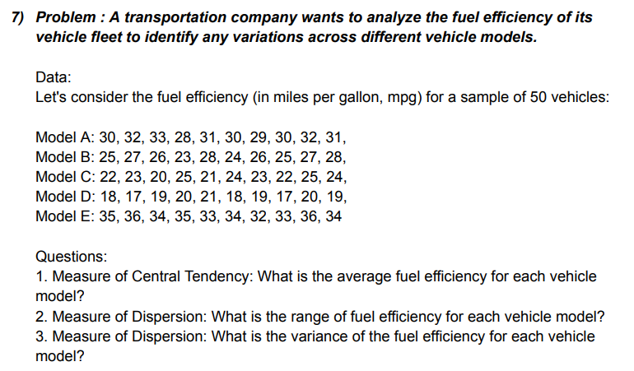

 |  |  |  |  |  |  |  |  | Model A | Model B | Model C | Model D | Model E
 |  |  |  |  |  |  |  |  | 30 | 25 | 22 | 18 | 35
 |  |  |  |  |  |  |  |  | 32 | 27 | 23 | 17 | 36
 |  |  |  |  |  |  |  |  | 33 | 26 | 20 | 19 | 34
 |  |  |  |  |  |  |  |  | 28 | 23 | 25 | 20 | 35
 |  |  |  |  |  |  |  |  | 31 | 28 | 21 | 21 | 33
 |  |  |  |  |  |  |  |  | 30 | 24 | 24 | 18 | 34
 |  |  |  |  |  |  |  |  | 29 | 26 | 23 | 19 | 32
 |  |  |  |  |  |  |  |  | 30 | 25 | 22 | 17 | 33
 |  |  |  |  |  |  |  |  | 32 | 27 | 25 | 20 | 36
 |  |  |  |  |  |  |  |  | 31 | 28 | 24 | 19 | 34

 |  |  |  |  |  |  |  |  | Model A

 |  |  |  |  |  |  |  |  | MAX | 33 |  |  | MEAN (average) | 30.6
 |  |  |  |  |  |  |  |  | MIN | 28 |  |  | RANGE | 5
 |  |  |  |  |  |  |  |  |  |  |  |  | VARIANCE | 2.2666666667
 |  |  |  |  |  |  |  |  | Model B
 |  |  |  |  |  |  |  |  | MAX | 28 |  |  | MEAN | 25.9
 |  |  |  |  |  |  |  |  | MIN | 23 |  |  | RANGE | 5
 |  |  |  |  |  |  |  |  |  |  |  |  | VARIANCE | 2.7666666667
 |  |  |  |  |  |  |  |  | Model C
 |  |  |  |  |  |  |  |  | MAX | 25 |  |  | MEAN | 22.9
 |  |  |  |  |  |  |  |  | MIN | 20 |  |  | RANGE | 5
 |  |  |  |  |  |  |  |  |  |  |  |  | VARIANCE | 2.7666666667
 |  |  |  |  |  |  |  |  | Model D
 |  |  |  |  |  |  |  |  | MAX | 21 |  |  | MEAN | 18.8
 |  |  |  |  |  |  |  |  | MIN | 17 |  |  | RANGE | 4
 |  |  |  |  |  |  |  |  |  |  |  |  | VARIANCE | 1.7333333333
 |  |  |  |  |  |  |  |  | Model E
 |  |  |  |  |  |  |  |  | MAX | 36 |  |  | MEAN | 34.2
 |  |  |  |  |  |  |  |  | MIN | 32 |  |  | RANGE | 4
 |  |  |  |  |  |  |  |  |  |  |  |  | VARIANCE | 1.7333333333

 |  |  |  |  |  |  |  |  | QUE- 8
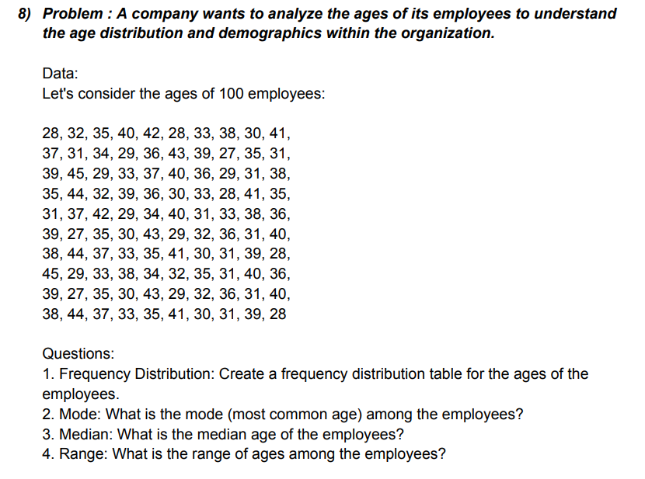

 |  |  |  |  |  |  |  |  | AGE OF EMPLOYEES(DATA)
 |  |  |  |  |  |  |  |  | 28 | 37 | 39 | 35 | 31 | 39 | 38 | 45 | 39 | 38
 |  |  |  |  |  |  |  |  | 32 | 31 | 45 | 44 | 37 | 27 | 44 | 29 | 27 | 44
 |  |  |  |  |  |  |  |  | 35 | 34 | 29 | 32 | 42 | 35 | 37 | 33 | 35 | 37
 |  |  |  |  |  |  |  |  | 40 | 29 | 33 | 39 | 29 | 30 | 33 | 38 | 30 | 33
 |  |  |  |  |  |  |  |  | 42 | 36 | 37 | 36 | 34 | 43 | 35 | 34 | 43 | 35
 |  |  |  |  |  |  |  |  | 28 | 43 | 40 | 30 | 40 | 29 | 41 | 32 | 29 | 41
 |  |  |  |  |  |  |  |  | 33 | 39 | 36 | 33 | 31 | 32 | 30 | 35 | 32 | 30
 |  |  |  |  |  |  |  |  | 38 | 27 | 29 | 28 | 33 | 36 | 31 | 31 | 36 | 31
 |  |  |  |  |  |  |  |  | 30 | 35 | 31 | 41 | 38 | 31 | 39 | 40 | 31 | 39
 |  |  |  |  |  |  |  |  | 41 | 31 | 38 | 35 | 36 | 40 | 28 | 36 | 40 | 28

 |  |  |  |  |  |  |  |  | MAX | 45 |  |  | MODE | 31
 |  |  |  |  |  |  |  |  | MIN | 27 |  |  | MEDIAN | 35
 |  |  |  |  |  |  |  |  |  |  |  |  | RANGE | 18

 |  |  |  |  |  |  |  |  | RANGE | BIN |  | RANGE | FREQUENCY
 |  |  |  |  |  |  |  |  | 26-30 | 30 |  | 26-30 | 21
 |  |  |  |  |  |  |  |  | 31-35 | 35 |  | 31-35 | 34
 |  |  |  |  |  |  |  |  | 36-40 | 40 |  | 36-40 | 31
 |  |  |  |  |  |  |  |  | 41-45 | 45 |  | 41-45 | 14

FREQUENCY

 |  |  |  | BIN | Frequency
 |  |  |  | 30 | 21
 |  |  |  | 35 | 34
 |  |  |  | 40 | 31
 |  |  |  | 45 | 14
 |  |  |  | More | 0

 |  |  |  |  |  |  |  |  | PURCHASE AMOUNT IN DOLLARS
 |  |  |  |  |  |  |  |  | 56 | 52 | 52 | 59 | 58
 |  |  |  |  |  |  |  |  | 40 | 44 | 63 | 45 | 62
 |  |  |  |  |  |  |  |  | 28 | 38 | 41 | 47 | 49 | MAX | 73
 |  |  |  |  |  |  |  |  | 73 | 60 | 48 | 51 | 59 | MIN | 28
 |  |  |  |  |  |  |  |  | 52 | 56 | 55 | 65 | 45
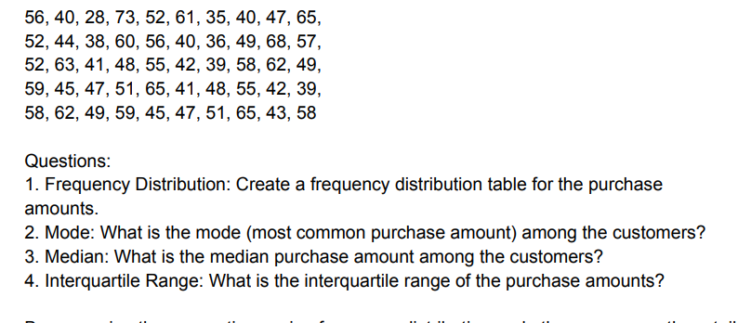
 |  |  |  |  |  |  |  |  | 61 | 40 | 42 | 41 | 47 | RANGE | 45
 |  |  |  |  |  |  |  |  | 35 | 36 | 39 | 48 | 51
 |  |  |  |  |  |  |  |  | 40 | 49 | 58 | 55 | 65
 |  |  |  |  |  |  |  |  | 47 | 68 | 62 | 42 | 43
 |  |  |  |  |  |  |  |  | 45 | 57 | 49 | 39 | 58

 |  |  |  |  |  |  |  |  | RANGE | BIN |  | BIN | Frequency |  | RANGE | FREQUENCY
 |  |  |  |  |  |  |  |  | 26-35 | 35 |  | 35 | 2 |  | 26-35 | 2
 |  |  |  |  |  |  |  |  | 36-45 | 45 |  | 45 | 16 |  | 36-45 | 16
 |  |  |  |  |  |  |  |  | 46-55 | 55 |  | 55 | 15 |  | 46-55 | 15
 |  |  |  |  |  |  |  |  | 56-65 | 65 |  | 65 | 15 |  | 56-65 | 15
 |  |  |  |  |  |  |  |  | 66-75 | 75 |  | 75 | 2 |  | 66-75 | 2
 |  |  |  |  |  |  |  |  |  |  |  | More | 0

 | MODE | 52
 | MEDIAN | 49

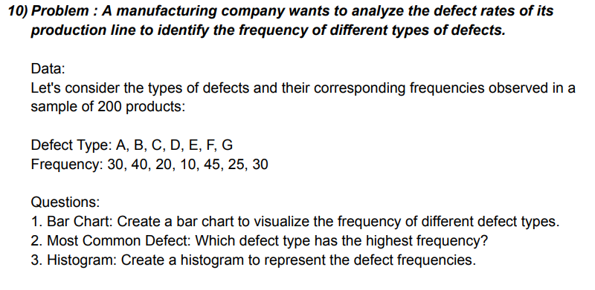
BAR CHART
 |  |  |  |  |  |  |  | DEFECT TYPE | FREQUENCY
 |  |  |  |  |  |  |  | A | 30
 |  |  |  |  |  |  |  | B | 40
 |  |  |  |  |  |  |  | C | 20
 |  |  |  |  |  |  |  | D | 10
 |  |  |  |  |  |  |  | E | 45
 |  |  |  |  |  |  |  | F | 25
 |  |  |  |  |  |  |  | G | 30

 |  |  |  |  |  |  |  | MODE | 30

 |  |  |  |  |  |  | Ratings
 |  |  |  |  |  |  | 4 | 5 | 4 | 3 | 3 | 5 | 3 | 3 | 5 | 3
 |  |  |  |  |  |  | 5 | 4 | 3 | 4 | 4 | 4 | 4 | 4 | 4 | 4
 |  |  |  |  |  |  | 3 | 2 | 2 | 5 | 5 | 3 | 5 | 5 | 3 | 5
 |  |  |  |  |  |  | 4 | 3 | 4 | 2 | 4 | 4 | 2 | 4 | 4 | 2
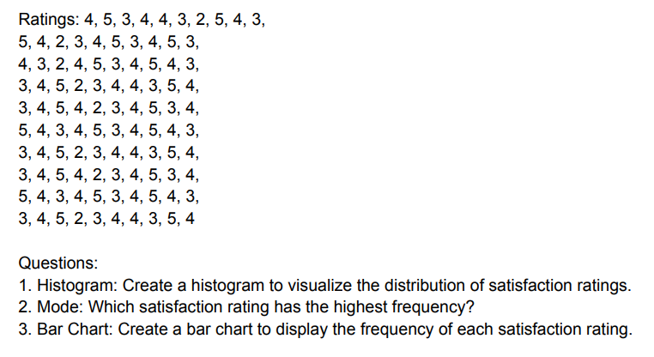
 |  |  |  |  |  |  | 4 | 4 | 5 | 3 | 2 | 5 | 3 | 2 | 5 | 3
 |  |  |  |  |  |  | 3 | 5 | 3 | 4 | 3 | 3 | 4 | 3 | 3 | 4
 |  |  |  |  |  |  | 2 | 3 | 4 | 4 | 4 | 4 | 4 | 4 | 4 | 4
 |  |  |  |  |  |  | 5 | 4 | 5 | 3 | 5 | 5 | 3 | 5 | 5 | 3
 |  |  |  |  |  |  | 4 | 5 | 4 | 5 | 3 | 4 | 5 | 3 | 4 | 5
 |  |  |  |  |  |  | 3 | 3 | 3 | 4 | 4 | 3 | 4 | 4 | 3 | 4

HISTOGRAM
 |  |  |  |  |  |  |  | Range | Bin |  | Bin | Frequency
 |  |  |  |  |  |  |  | 1 | 1 |  | 1 | 0
 |  |  |  |  |  |  |  | 2 | 2 |  | 2 | 8
 |  |  |  |  |  |  |  | 3 | 3 |  | 3 | 30
 |  |  |  |  |  |  |  | 4 | 4 |  | 4 | 39
 |  |  |  |  |  |  |  | 5 | 5 |  | 5 | 23
 |  |  |  |  |  |  |  |  |  |  | More | 0
 |  |  |  |  |  |  |  | MODE | 4

BAR CHART

 |  |  |  |  |  |  |  | MAX | 5
 |  |  |  |  |  |  |  | MIN | 2

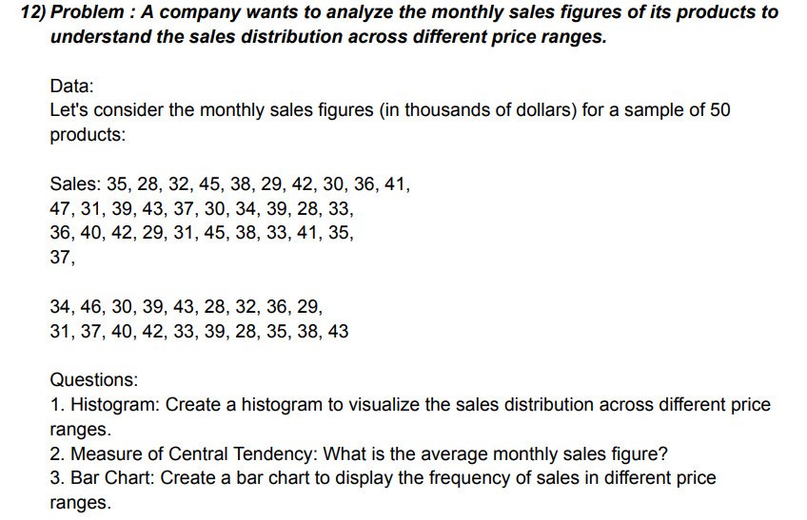

 |  |  |  |  |  |  |  | MONTHELY SALES
 |  |  |  |  |  |  |  | 35 | 47 | 36 | 37 | 31 | RANGE | BIN |  | BIN | Frequency
 |  |  |  |  |  |  |  | 28 | 31 | 40 | 34 | 37 | 26-29 | 29 |  | 29 | 7
 |  |  |  |  |  |  |  | 32 | 39 | 42 | 46 | 40 | 30-33 | 33 |  | 33 | 11
 |  |  |  |  |  |  |  | 45 | 43 | 29 | 30 | 42 | 34-37 | 37 |  | 37 | 11
 |  |  |  |  |  |  |  | 38 | 37 | 31 | 39 | 33 | 38-41 | 41 |  | 41 | 11
 |  |  |  |  |  |  |  | 29 | 30 | 45 | 43 | 39 | 42-45 | 45 |  | 45 | 8
 |  |  |  |  |  |  |  | 42 | 34 | 38 | 28 | 28 | 46-49 | 49 |  | 49 | 2
 |  |  |  |  |  |  |  | 30 | 39 | 33 | 32 | 35 |  |  |  | More | 0
 |  |  |  |  |  |  |  | 36 | 28 | 41 | 36 | 38
Histogram
 |  |  |  |  |  |  |  | 41 | 33 | 35 | 29 | 43

 |  |  |  |  |  |  |  | MAX | 47
 |  |  |  |  |  |  |  | MIN | 28

 |  |  |  |  |  |  |  | MEAN | 36.14
BAR CHART

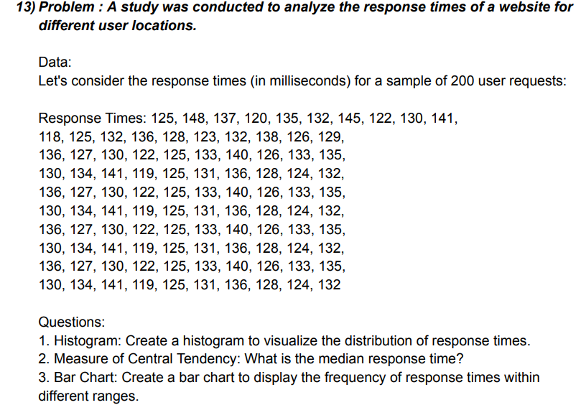
 |  |  |  |  |  |  |  | RESPONSE TIME (in millisecond)
 |  |  |  |  |  |  |  | 125 | 118 | 136 | 130 | 136 | 130 | 136 | 130 | 136 | 130
 |  |  |  |  |  |  |  | 148 | 125 | 127 | 134 | 127 | 134 | 127 | 134 | 127 | 134
 |  |  |  |  |  |  |  | 137 | 132 | 130 | 141 | 130 | 141 | 130 | 141 | 130 | 141
 |  |  |  |  |  |  |  | 120 | 136 | 122 | 119 | 122 | 119 | 122 | 119 | 122 | 119
 |  |  |  |  |  |  |  | 135 | 128 | 125 | 125 | 125 | 125 | 125 | 125 | 125 | 125
 |  |  |  |  |  |  |  | 132 | 123 | 133 | 131 | 133 | 131 | 133 | 131 | 133 | 131
 |  |  |  |  |  |  |  | 145 | 132 | 140 | 136 | 140 | 136 | 140 | 136 | 140 | 136
 |  |  |  |  |  |  |  | 122 | 138 | 126 | 128 | 126 | 128 | 126 | 128 | 126 | 128
 |  |  |  |  |  |  |  | 130 | 126 | 133 | 124 | 133 | 124 | 133 | 124 | 133 | 124
 |  |  |  |  |  |  |  | 141 | 129 | 135 | 132 | 135 | 132 | 135 | 132 | 135 | 132

 |  |  |  |  |  |  |  | MAX | 148 |  | RANGE | BIN |  | Bin | Frequency
 |  |  |  |  |  |  |  | MIN | 118 |  | 116-120 | 120 |  | 120 | 6
 |  |  |  |  |  |  |  |  |  |  | 121-125 | 125 |  | 125 | 20
 |  |  |  |  |  |  |  | MEDIAN | 130.5 |  | 126-130 | 130 |  | 130 | 24
 |  |  |  |  |  |  |  |  |  |  | 131-135 | 135 |  | 135 | 28
 |  |  |  |  |  |  |  |  |  |  | 136-140 | 140 |  | 140 | 15
 |  |  |  |  |  |  |  |  |  |  | 141-145 | 145 |  | 145 | 6
 |  |  |  |  |  |  |  |  |  |  | 146-150 | 150 |  | 150 | 1
 |  |  |  |  |  |  |  |  |  |  |  |  |  | More | 0
BAR CHART
Histogram

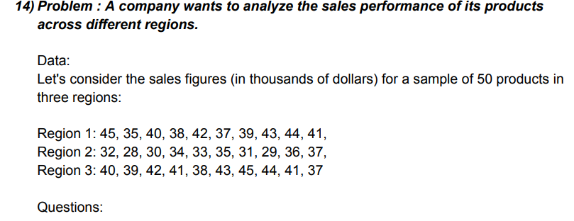
 |  |  |  |  |  |  |  | SALES FIGURE (dollars)
 |  |  |  |  |  |  |  | REGION 1 | REGION 2 | REGION 3 |  | RANGE | BIN | Bin | Frequency
 |  |  |  |  |  |  |  | 45 | 32 | 40 |  | 26-30 | 30 | 30 | 3
 |  |  |  |  |  |  |  | 35 | 28 | 39 |  | 31-35 | 35 | 35 | 6
 |  |  |  |  |  |  |  | 40 | 30 | 42 |  | 36-40 | 40 | 40 | 10
 |  |  |  |  |  |  |  | 38 | 34 | 41 |  | 41-45 | 45 | 45 | 11
 |  |  |  |  |  |  |  | 42 | 33 | 38 |  |  |  | More | 0
 |  |  |  |  |  |  |  | 37 | 35 | 43
 |  |  |  |  |  |  |  | 39 | 31 | 45 |  | RANGE | Frequency
 |  |  |  |  |  |  |  | 43 | 29 | 44 |  | 26-30 | 3
 |  |  |  |  |  |  |  | 44 | 36 | 41 |  | 31-35 | 6
 |  |  |  |  |  |  |  | 41 | 37 | 37 |  | 36-40 | 10
 |  |  |  |  |  |  |  |  |  |  |  | 41-45 | 11

BAR CHART
 |  |  |  |  |  |  |  | MAX | 45 |  |  | MEAN | 37.966666667
 |  |  |  |  |  |  |  | MIN | 28

 |  |  |  |  |  |  |  |  | REGION 1 | RIGION 2 | RIGION 3
 |  |  |  |  |  |  |  | MAX | 45 | 37 | 45
 |  |  |  |  |  |  |  | MIN | 35 | 28 | 37

 |  |  |  |  |  | Questions on Percentile and Quartiles

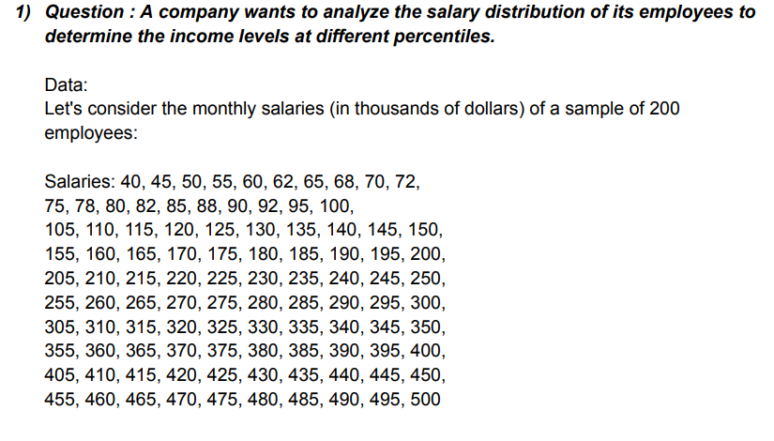
 |  |  |  |  |  |  |  | sample of 200 employees salaries

 |  |  |  |  |  |  |  | 40 | 45 | 50 | 55 | 60 | 62 | 65 | 68 | 70 | 72
 |  |  |  |  |  |  |  | 92 | 75 | 78 | 80 | 82 | 85 | 88 | 90 | 95 | 100
 |  |  |  |  |  |  |  | 105 | 110 | 115 | 120 | 125 | 130 | 135 | 140 | 145 | 150
 |  |  |  |  |  |  |  | 155 | 160 | 165 | 170 | 175 | 180 | 185 | 190 | 195 | 200
 |  |  |  |  |  |  |  | 205 | 210 | 215 | 220 | 225 | 230 | 235 | 240 | 245 | 250
 |  |  |  |  |  |  |  | 255 | 260 | 265 | 270 | 275 | 280 | 285 | 290 | 295 | 300
 |  |  |  |  |  |  |  | 305 | 310 | 315 | 320 | 325 | 330 | 335 | 340 | 345 | 350
 |  |  |  |  |  |  |  | 355 | 360 | 365 | 370 | 375 | 380 | 385 | 390 | 395 | 400
 |  |  |  |  |  |  |  | 405 | 410 | 415 | 420 | 425 | 430 | 435 | 440 | 445 | 450
 |  |  |  |  |  |  |  | 455 | 460 | 465 | 470 | 475 | 480 | 485 | 490 | 495 | 500

 |  |  |  |  |  |  |  | Percentile | Quartile | Interpretation
 |  |  |  |  |  |  |  | 74.7 | 128.75 | we are consider the monthely salaries (in dollars) sample of 200 employees lowest 10th percentile salary 74.5 dollar and 90th percentile salary 450.5 dollare. Calculeted firse quartile (Q1) 128.75 and third quaritle (Q3) 376.25 dollare.
 |  |  |  |  |  |  |  | 128.75 | 252.5
 |  |  |  |  |  |  |  | 376.25 | 376.25
 |  |  |  |  |  |  |  | 450.5

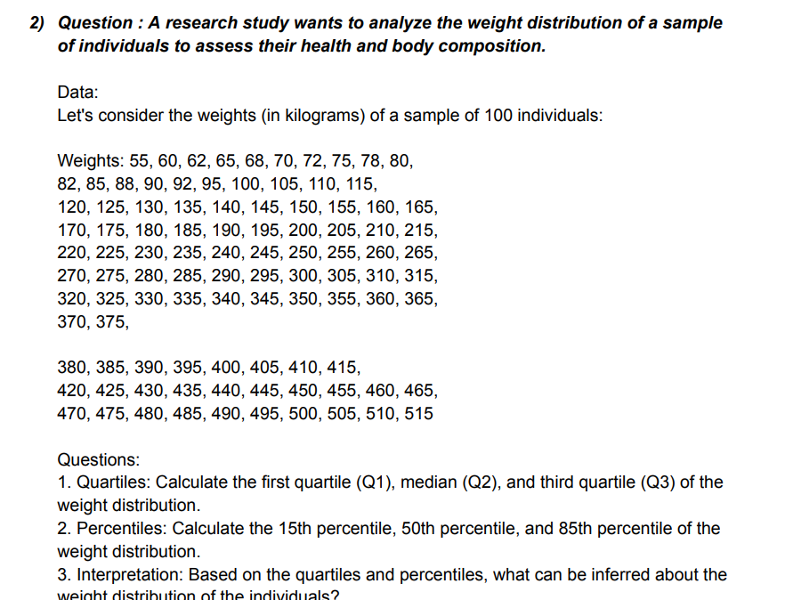
 |  |  |  |  |  |  |  |  | Weights(in kilogram)
 |  |  |  |  |  |  |  | 55 | 60 | 62 | 65 | 68 | 70 | 72 | 75 | 78 | 80
 |  |  |  |  |  |  |  | 82 | 85 | 88 | 90 | 92 | 95 | 100 | 105 | 110 | 115
 |  |  |  |  |  |  |  | 120 | 125 | 130 | 135 | 140 | 145 | 150 | 155 | 160 | 165
 |  |  |  |  |  |  |  | 170 | 175 | 180 | 185 | 190 | 195 | 200 | 205 | 210 | 215
 |  |  |  |  |  |  |  | 220 | 225 | 230 | 235 | 240 | 245 | 250 | 255 | 260 | 265
 |  |  |  |  |  |  |  | 270 | 275 | 280 | 285 | 290 | 295 | 300 | 305 | 310 | 315
 |  |  |  |  |  |  |  | 320 | 325 | 330 | 335 | 340 | 345 | 350 | 355 | 360 | 365
 |  |  |  |  |  |  |  | 370 | 375 | 380 | 385 | 390 | 400 | 405 | 410 | 415 | 420
 |  |  |  |  |  |  |  | 425 | 430 | 435 | 440 | 445 | 450 | 455 | 460 | 465 | 470
 |  |  |  |  |  |  |  | 475 | 480 | 485 | 490 | 495 | 500 | 505 | 510 | 515 | 395

 |  |  |  |  |  |  |  | Quartile | Percentile | Interpretation
 |  |  |  |  |  |  |  | 143.75 | 94.55
 |  |  |  |  |  |  |  | 267.5 | 267.5
 |  |  |  |  |  |  |  | 391.25 | 440.75

